1. Title Page
[Project Name]

Project Name: Instacart Grocery basket Analysis
Date: 10/28/2023
Analyst Name: Dan Locke

Contents:
Population Flow
Consistency checks
Wrangling steps
Column derivations
Visualizations
Recommendations

 | “The Instacart Online Grocery Shopping Dataset 2017”, Accessed from www.instacart.com/datasets/grocery-shopping-2017 via Kaggle on 10/28/2023

2. Population Flow
Title page

Population flow

Exclusion flag
Condition: max_order <
Obervations to be removed:
Final total count of order_products_all:

Orders_products_combined
Orders_products_merged
Orders_products_all

Total:32484161
, 16
Total: 32434489, 12
Total: 32404859

1.) The grey boxes in the first row of the population flow represent the original data sets as they were when you downloaded them. In the Total fields you need to add the count of the rows when you imported the data set into Jupyter.
2.) The second row of boxes (coloured) represents the data sets after you manipulated them, e.g., removed missing values and duplicates. In the Total fields you need to add the count of the rows after conducting these operations. This offers a visual oveview of how the data flows throughout the data consistency checks.
3.) The third row, where also the arrows are coloured, represents the merges you performed between the datasets. In the Total fields you need to add the count of the rows in the merged datasets, so that you end up with the final dataset (in the red box). Keep in mind the final dataset should be without exclusions (based on the exclusion flag).

3. Consistency checks
 |  |  |  | Title page
Consistency checks

Dataset | Missing values | Missing values treatment | Duplicates
orders | 206209 NaN Value | There was an issue under " Days last ordered". 206029 with no numbers, these were removed | No duplicates were found
products | 16 missing values under the Product Name column | Deleted the missing values
orders_products_prior | n/a | n/a | n/a
customers | 11259 NaN First_name as NaN | no action taken | no duplicates other than the NaN

4. Wrangling steps
 |  |  |  | Title page
Wrangling steps

Columns dropped | Columns renamed | Columns' type changed | Comment/Reason
 |  | user_id | no numeric, change to string format

_merged | First Name to first_name |  | Column Names
_merged | Surnam to surname |  | Column Names
_merged | STATE to state |  | Column Names
_merged | Age to age |  | Column Names
_merged | n_dependants to num_of_dependants |  | Column Names
_merged | fam_status to marital_status |  | Column Names
_merged | Gender to gender |  | Column Names

 | days_since_prior_order' to 'days_since_last_order' |  | easier to understand

5. Column derivations
 |  |  |  | Title page

Column derivations and aggregations

Dataset | New column | Column/s it was derived from | Conditions

df_orders | days of week | dow | easier to understand
orders_products_merged | loyalty_flag | max_order | if max_order is > 40 append 'Loyal customer' if max_order is > 10 & <=40 append 'Regular customer' if max_order is <=10 append 'New customer'
orders_products_merged | max_order | user_id and order_number | group orders_products_merged by user_id and calculate the max of order_number
orders_products_merged | order_frequency_flag | median_orders | if med_frequency > 20 append 'Non frequent customer' if med_frequency < 20 and > 10 append 'Regular customer' if med_frequency < 10 append 'Frequent customer'
orders_products_merged | user_mean_prices | user_id and prices | group orders_products_merged by user_id and calculate the average of prices
orders_products_merged | spending_flag | user_mean_prices | if avg_spending is >= 10 append 'High spender' if avg_spending is <10 append 'Low spender'

6. Visualizations
 |  |  | Title page

Visualisations

In this tab you should include all the visualtions from Exercises 4.9 and 4.10, alongside the questions from the project brief that they answer. Include any commentary on the relationship between different variables.

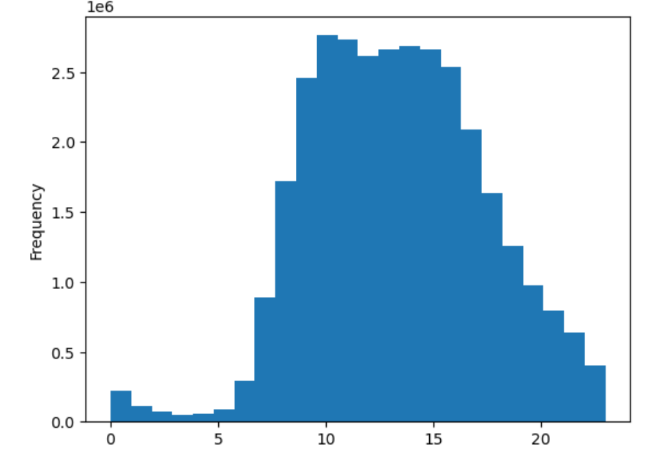
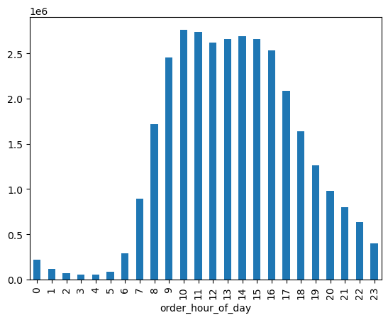

 | The Histogram shows the busiest hours, 0900-1600 is the peak. Steady decline from 0100-0600.
 |  |  |  | The busiest hours of the day when orders are placed.

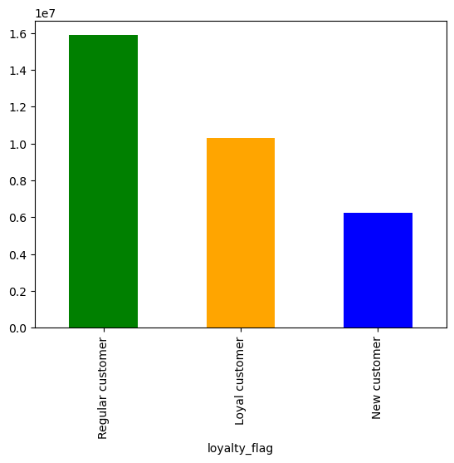

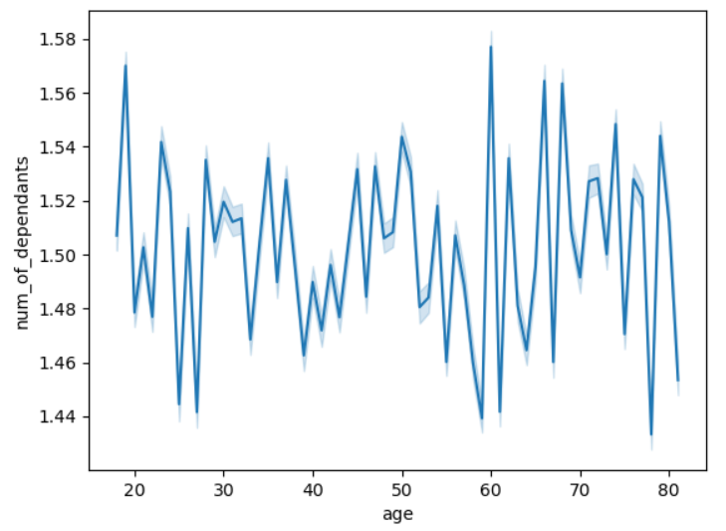

The chart shows the breakdown of the type of customer buying

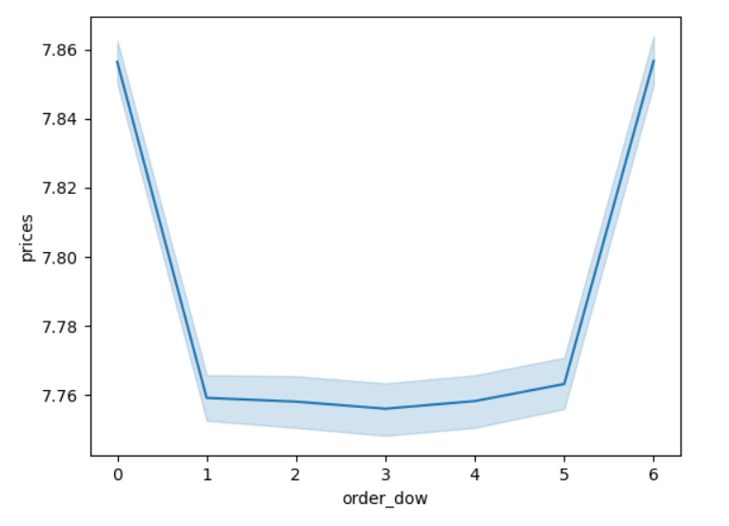
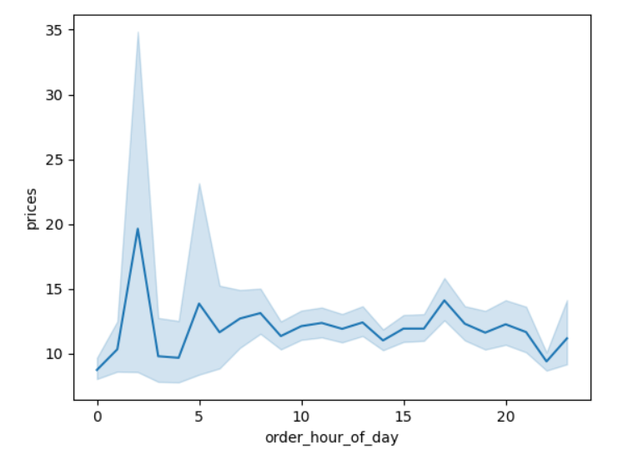

 |  | The buiest hour and most expensive is around 3am. 5 am there is a small spike but throughout the rest of the day, its consistent on the price. |  |  | The highest check aveage falls on Friday and Saturday

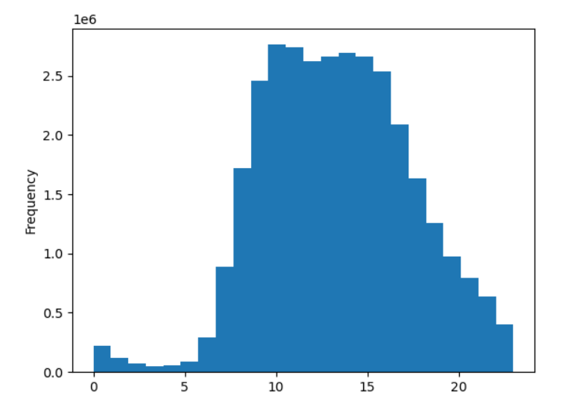
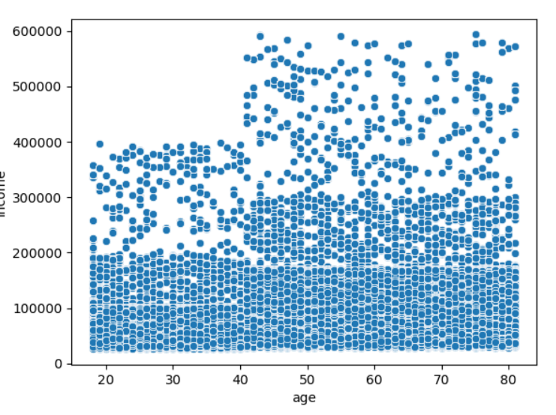

 |  |  |  |  |  | Ages 40-60 have more spening $ than that of the younger generation. so there is a correlation as the older you get the more earnings you make.

7. Recommendations
 |  |  | Title page

Recommendations

In this tab you should include any recommendations you would made to Instcart in terms of their marketing strategy based on the questions posed in the brief. Every key question has been covered in the Tasks of the Exercises - here you need to add an item - a visualisation or table/crosstable that is showing the answer in the data, acompanied by a comment from you. Please, list the questions below and add the answer underneath.

 | Question | Answer
Key Question 1 | The sales team needs to know what the busiest days of the week and hours of the day are (i.e., the days and times with the most orders) in order to schedule ads at times when there are fewer orders. | Based on the histogram the busiest hours for placing orders are from 9 am-4 pm. And specific days that draw the highest orders placed are Friday & and Saturday.. It would be beneficial to run a promotional campaign during these hours/days to continue to build on the momentum. That said, it is also worth noting the slower times and what is the reason holding people back.
Key Question 2 | They also want to know whether there are particular times of the day when people spend the most money, as this might inform the type of products they advertise at these times. | 3 a.m. is the bustiest hour in the am, which leads to more questions and why would that be the case? Further analysis is required to understand the purchasing patterns. As the day progress, the morning hours are equally strong. The sales team can target high value items with purchasing patterns to build a marketing campaign around, so they can maximis sales and profit.
Key Question 3 | Instacart has a lot of products with different price tags. Marketing and sales want to use simpler price range groupings to help direct their efforts. | The price range that is spent is $2-$15 meaning items purchased are reasonable and less expensive and as such cater to a wide variety of people and ages. This gives the sales team a large avenue to develop campaigns targeting various products.
Key Question 4 | Are there certain types of products that are more popular than others? The marketing and sales teams want to know which departments have the highest frequency of product orders. | Just like in restaurants, retail is able to look at high-selling items (dairy, frozen items, produce & snacks) and build a marketing/promotional campaign around them.
Key Question 5 | What’s the distribution among users in regards to their brand loyalty (i.e., how often do they return to Instacart)? | The regular customer builds a consistent pattern of shopping via Instacart. And is the strongest customer base for the business. The loyal customer is the 2nd strongest and although they are loyal, they still shop elsewhere, so devising a marketing campaign that targets their needs is how you switch them to a regular customer. Loyalty is a fickle relationship, if you disappoint the Loyaly customer (a one off situation), you are liable in losing their business, and they may never come back.
Key Question 6 | What differences can you find in the ordering habits of different customer profiles? | It is recommended to target specific demographics (age groups, and what they are spending week after week. Build a campaign around them and tie another campaign into turning loyal customers to regular customers.

